BLOSSOM ACADEMY


Sheet1
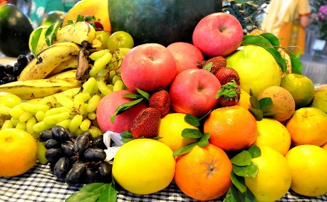
EXCEL CAPSTONE DASHBOARD
1029734
Sum of Amount
4834
213
Count of Product
7
Count of Country
Average of Amount

Order ID Per Country
 | Total
Australia | 27
Canada | 20
France | 28
Germany | 33
New Zealand | 14
United Kingdom | 34
United States | 57
Amount of Categories
 | Total
Fruit | 693069
Vegetables | 336665
Amount Per Product
 | Total
Apple | 191257
Banana | 340295
Beans | 57281
Cabbage | 142439
Carrots | 136945
Mango | 57079
Orange | 104438

Average Amount Per Country
 | Total
Australia | 4878
Canada | 4737
France | 5038
Germany | 4702
New Zealand | 4770
United Kingdom | 5092
United States | 4687
Amount of Category Per Country
 | Total
Fruit | 91221
Vegetables | 40492
Fruit | 82338
Vegetables | 12407
Fruit | 125931
Vegetables | 15125
Fruit | 66430
Vegetables | 88738
Fruit | 62392
Vegetables | 4390
Fruit | 87786
Vegetables | 85351
Fruit | 176971
Vegetables | 90162
Count of Order ID Per Product
 | Total
Apple | 40
Banana | 71
Beans | 13
Cabbage | 27
Carrots | 27
Mango | 11
Orange | 24

Sheet2
Order ID Per Country
 | Total
Australia | 27
Canada | 20
France | 28
Germany | 33
New Zealand | 14
United Kingdom | 34
United States | 57
Amount Of Category
 | Total
Fruit | 693069
Vegetables | 336665
Amount of Category Per Country
 | Total
Fruit | 91221
Vegetables | 40492
Fruit | 82338
Vegetables | 12407
Fruit | 125931
Vegetables | 15125
Fruit | 66430
Vegetables | 88738
Fruit | 62392
Vegetables | 4390
Fruit | 87786
Vegetables | 85351
Fruit | 176971
Vegetables | 90162
Total Amount Per Product
 | Total
Apple | 191257
Banana | 340295
Beans | 57281
Cabbage | 142439
Carrots | 136945
Mango | 57079
Orange | 104438
EXCEL CAPSTONE DASHBOARD
1029734
4834
213
7
Sum Of Amount
Average Amount
Count of Products
Count of countries
.

